Flow
Adient Supplier Portal Onboarding Flow | This is an interative flow which will guide you related pages once you click on blue steps.

Invitation e mail

Existing OpenText Account

Yes

No
Reach Adient Supplier Portal



Login New User? Register Here

Search Organization
Organization found

In case supplier is having an administrator onboarded in system(min 1 onboared user) those steps can be also covered by invitation by administrator as an option

Click "Here" to open the link for the page explaining the steps
No Records
Create/Register Organization
Choose organization form search results

Register User Account

Initial/very first user for organization
Upcoming users for organization

Approval of organisation and /or User by Adient
Approval of user by Organization Admin

Wait for an email that tells you that you have been approved

Log in the Adient supplier Portal

Add the service package (IRIS)

reLogin the Adient supplier Portal

Applications >> IRIS

1
Click this link for the Adient Supplier Portal: | Adient Supplier Portal
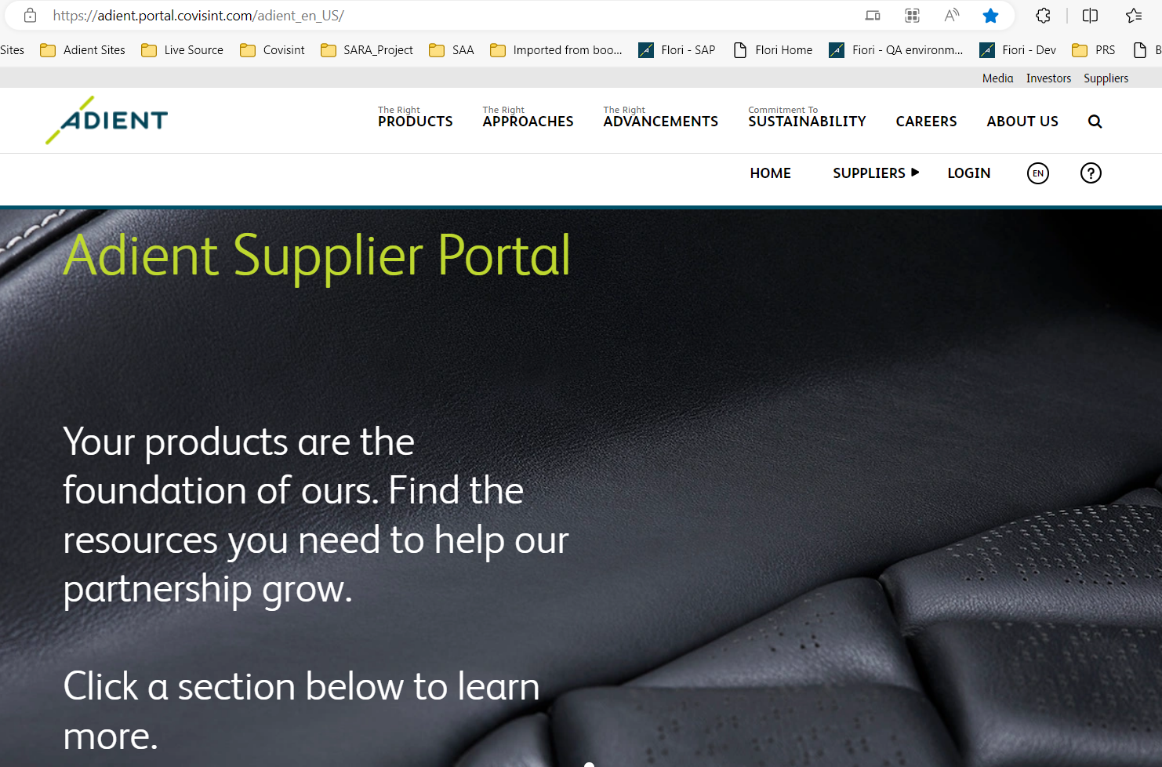

Click "LOGIN"

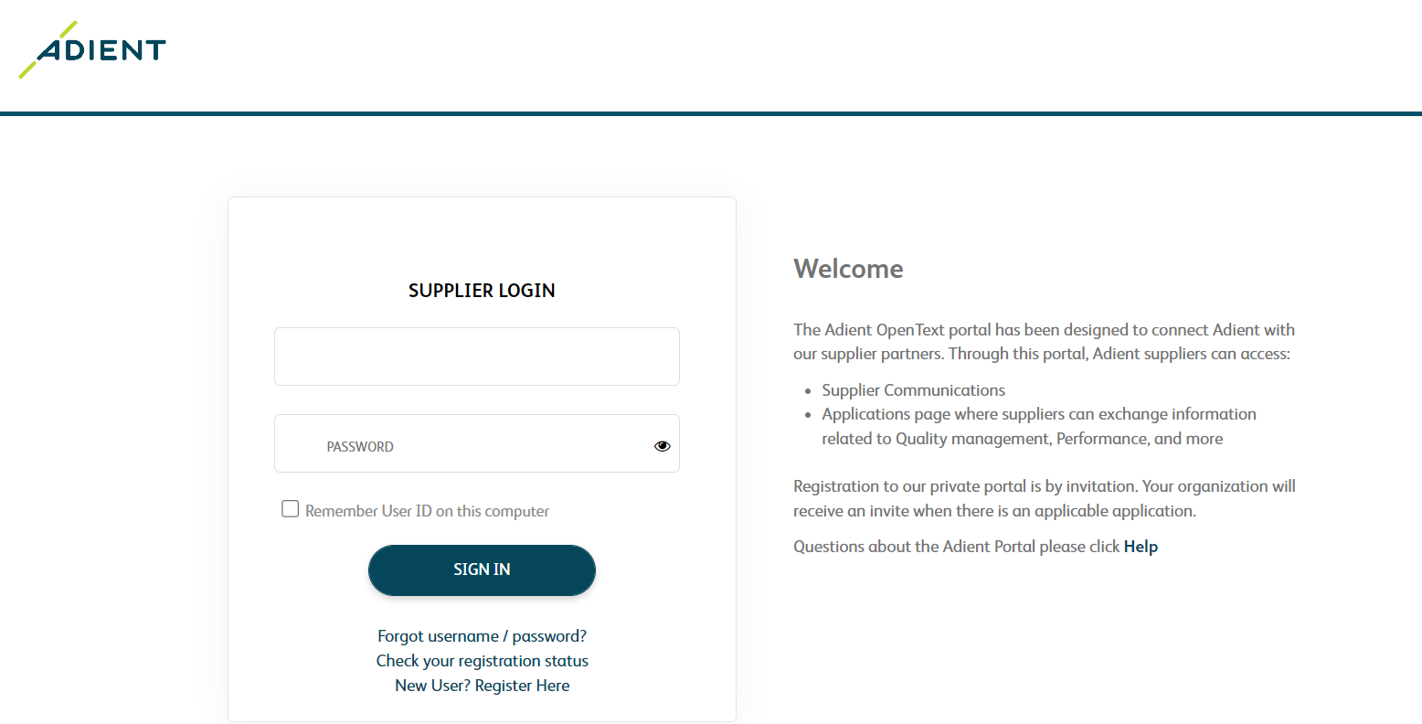

Click "New User? Register Here"

2
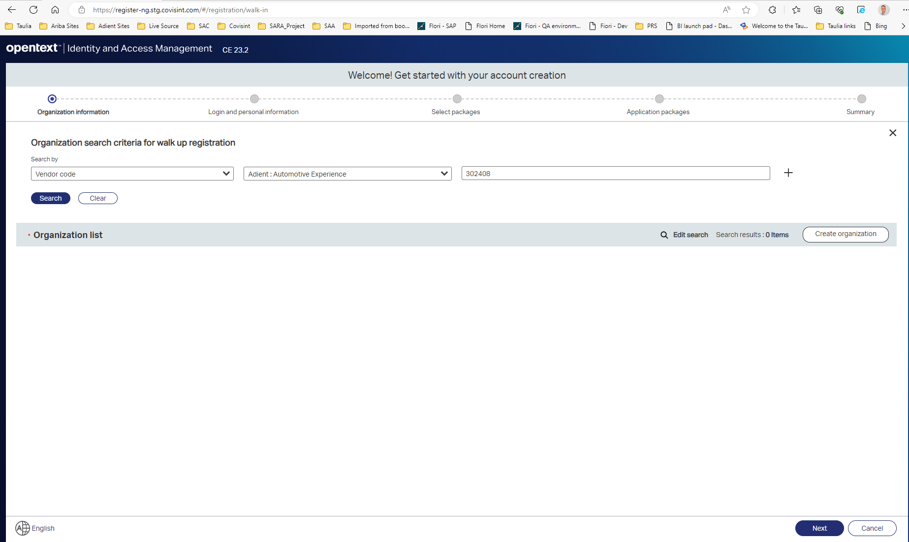

From dropdown select “Vendor code”

From dropdown select “Adient: Automotive Experience”

Enter your 6 digit Adient vendor code received in e mail

You can change your language

3
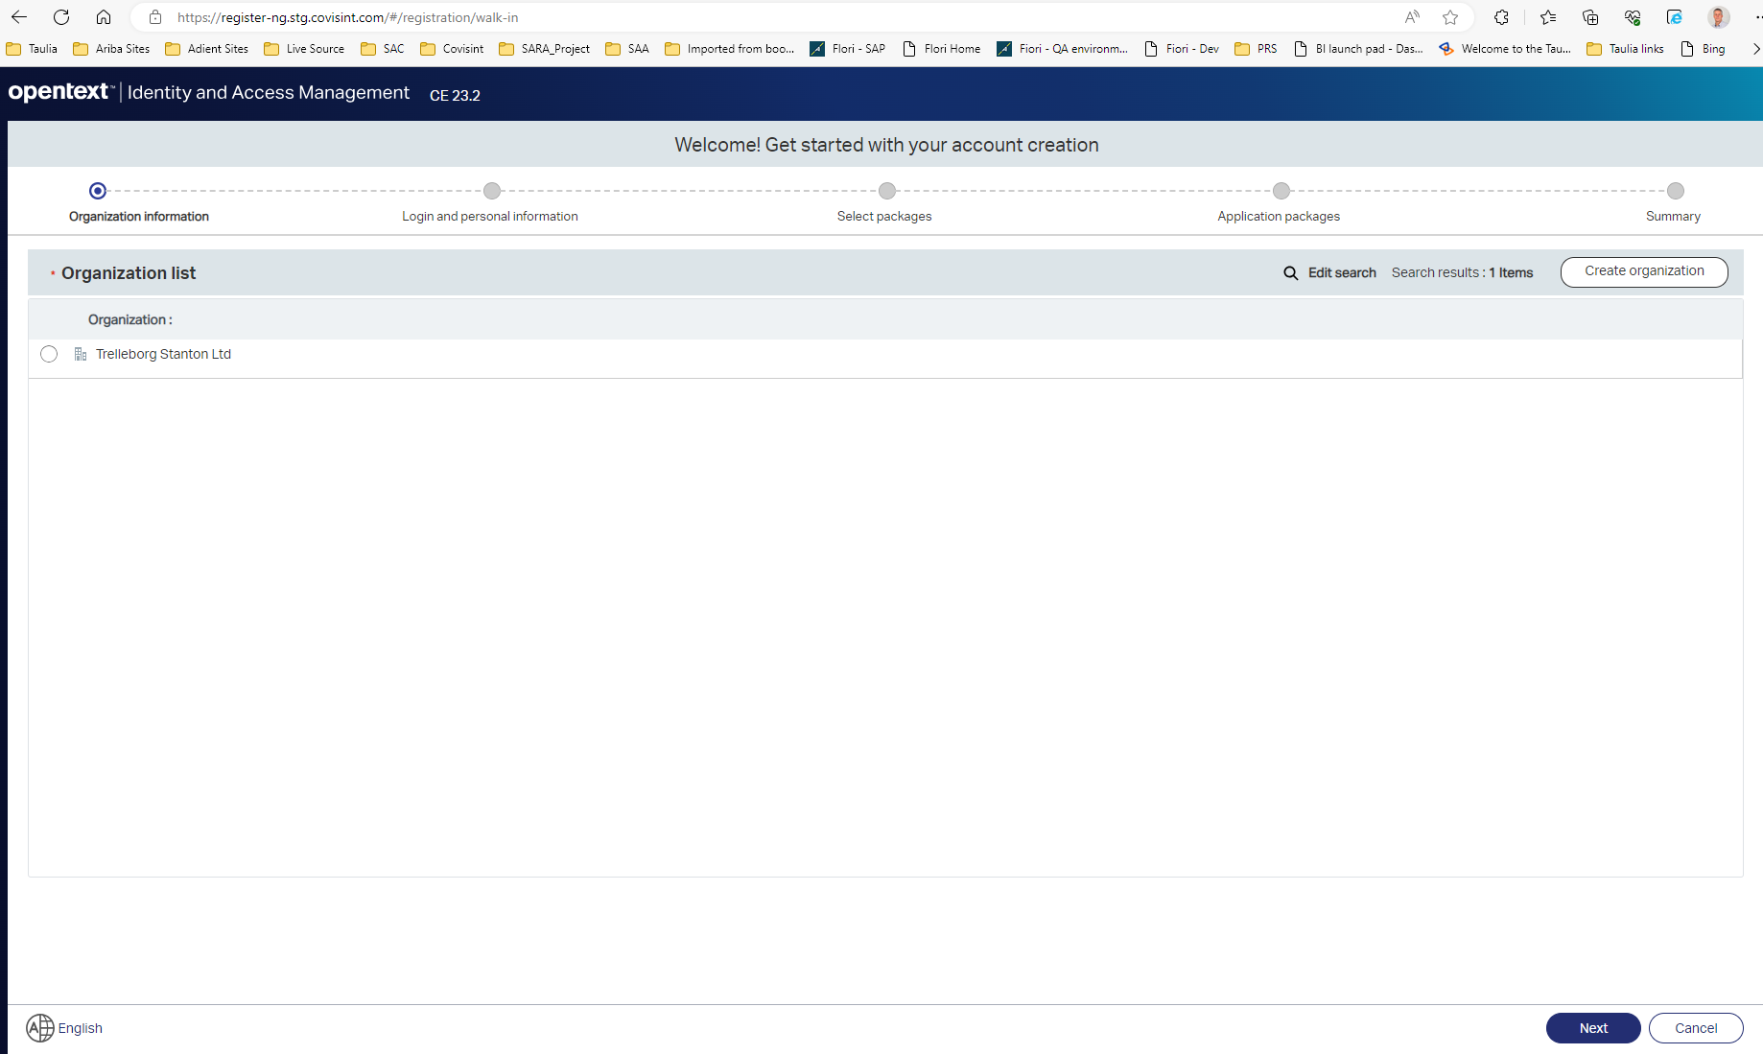

Click on “Create Organization”

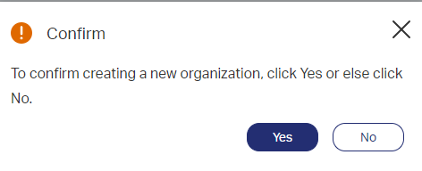

Click on "Yes"

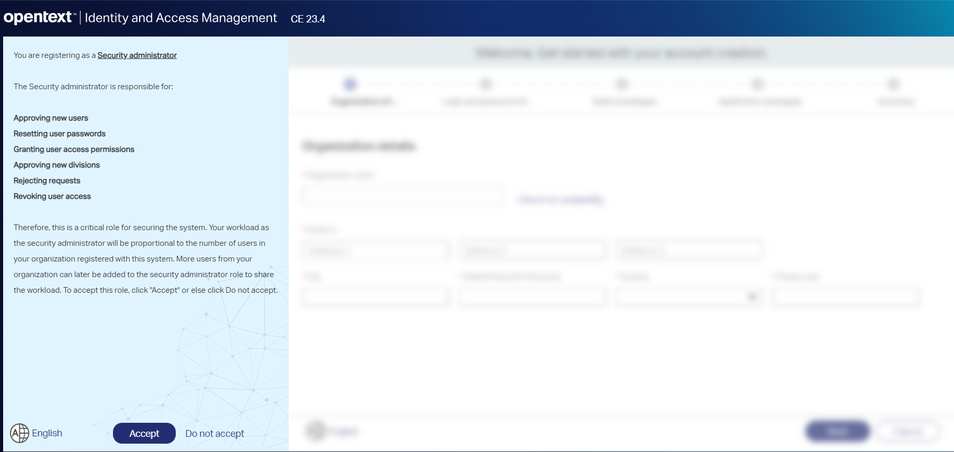

Read and accept terms and conditions

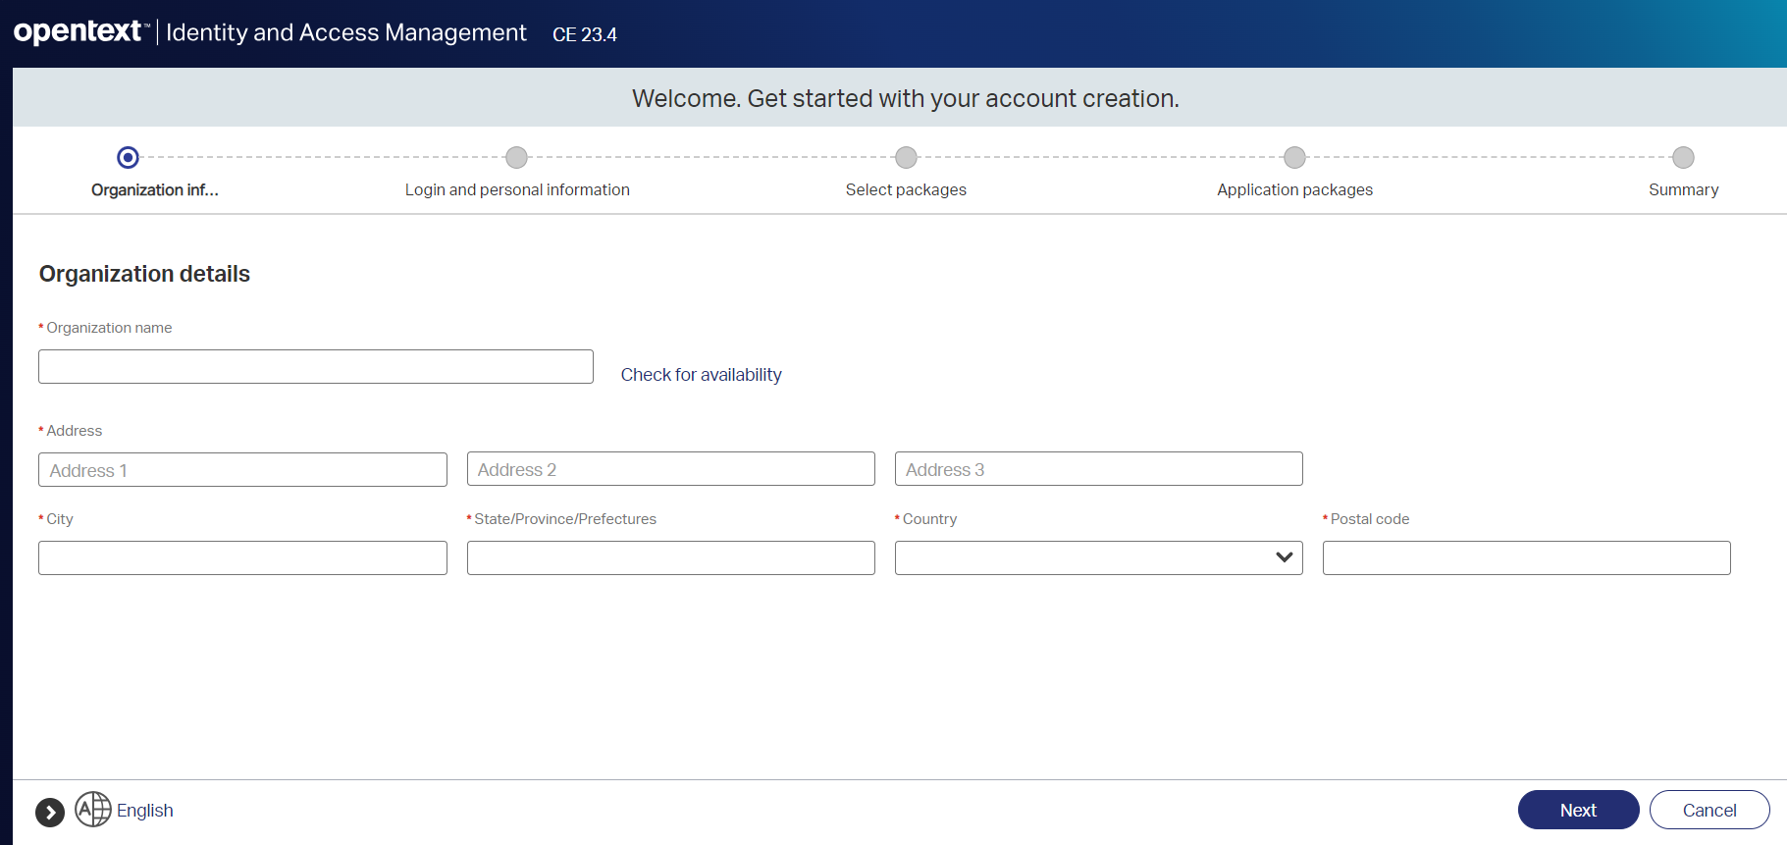

Organization name must be unique (IE: company name - city)

Fill required information and click on "Next"

4
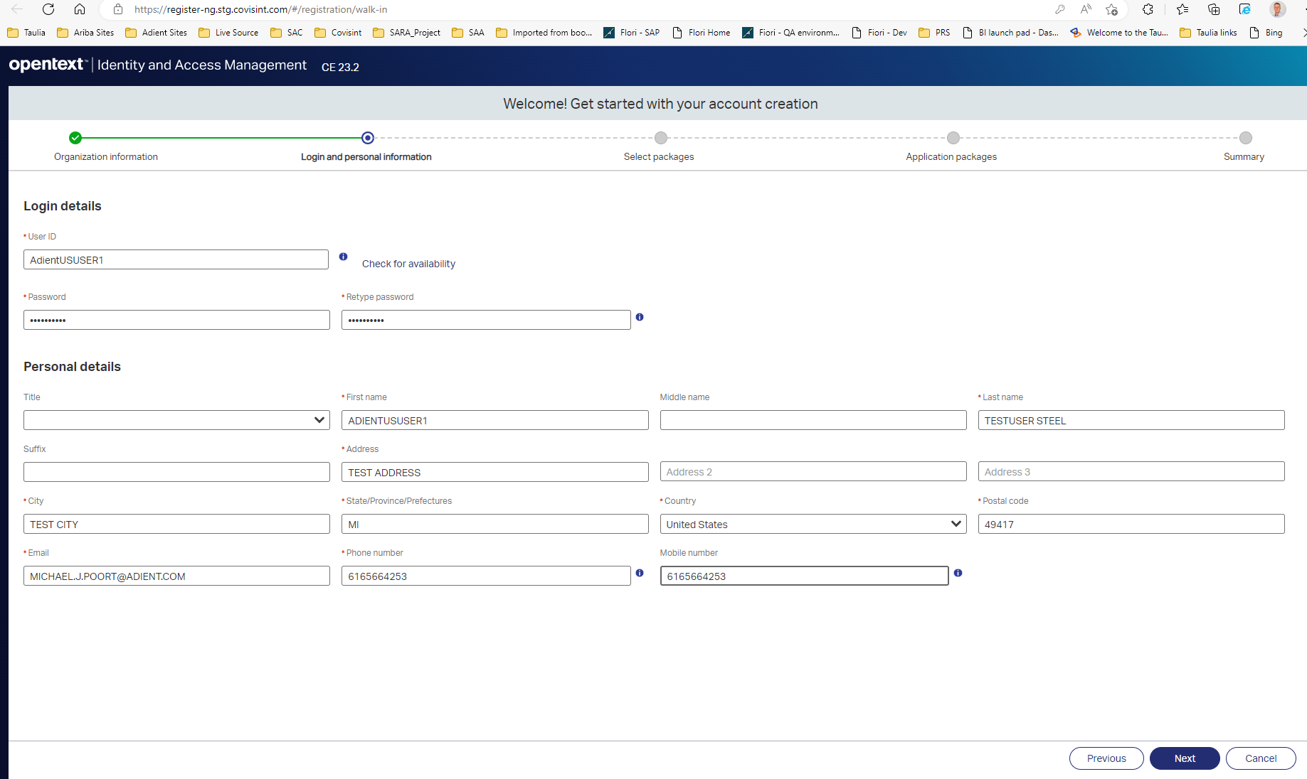

User ID must be unique

Fill required information and click on "Next"

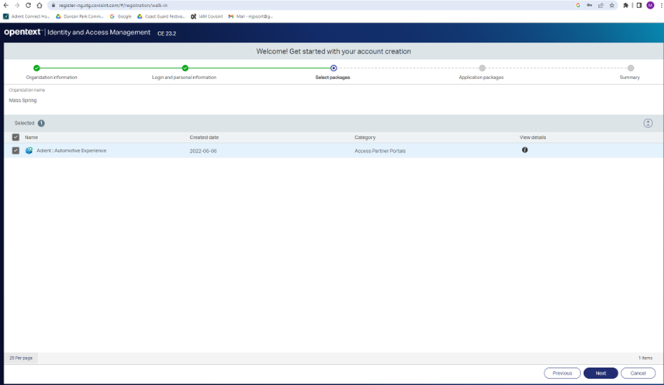

Select “Adient Automotive Experience”

Click on "Next"

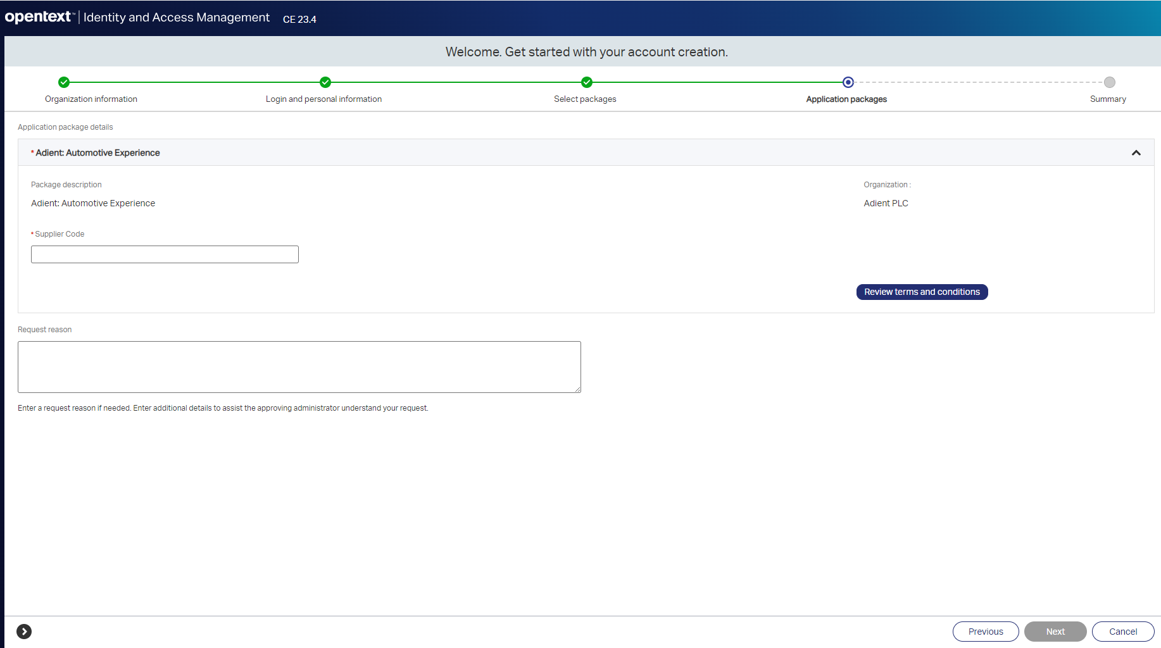

Enter your 6 digit vendor code from email

Click on "Review terms and conditions" Read and scroll down to the bottom & accept

Enter your reason of request

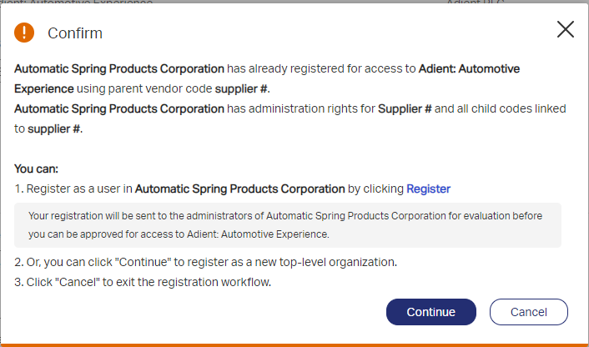
This pop up will appear only if you just created the organization, click on "Continue" If previously created proceed with next screenshot

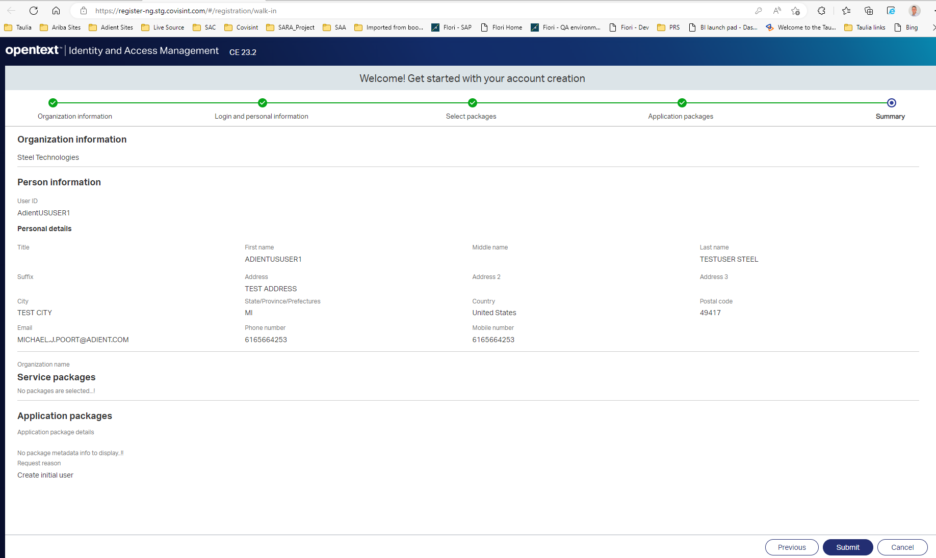

Review entry and click on "Submit"

Your request will be pending approval at this point.
You can close your browser.

5
Hover over your name
Click this link for the Adient Supplier Portal: | Adient Supplier Portal

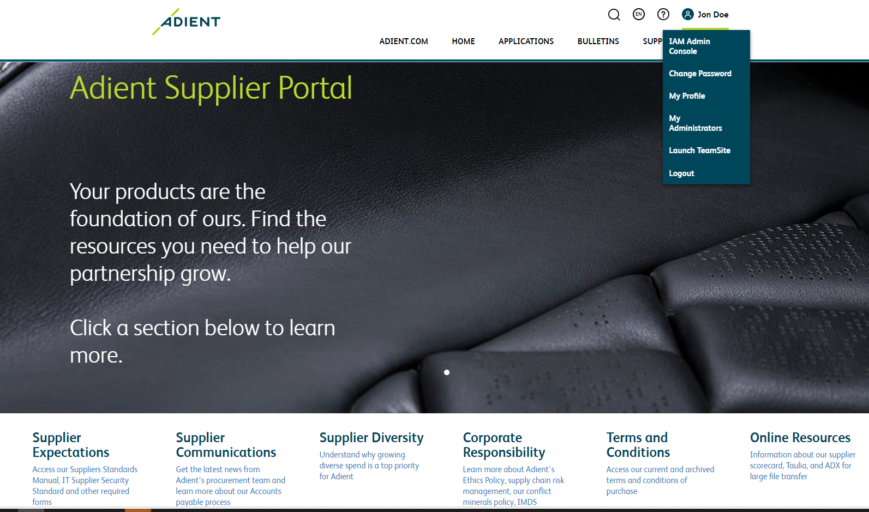
Click on "IAM
Admin Console"

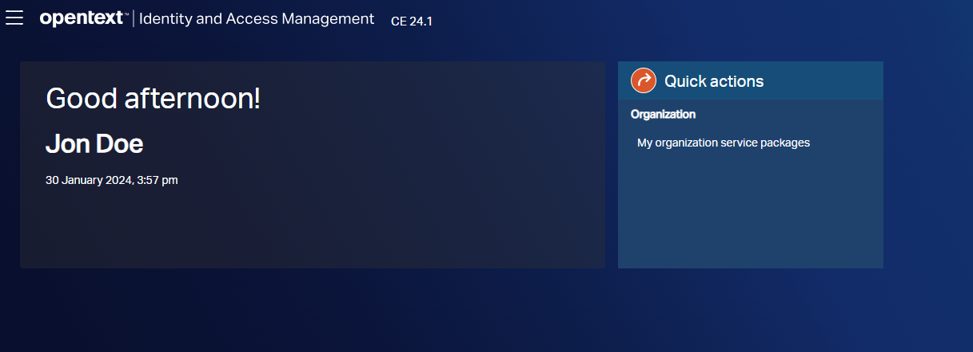

Click on "My organization service packages"

Look for "Adient: Automotive Experience
Click on Icon

Click on "Request" after sellecting applications below

Sellect applications

Fill required information, if any

Click on "Send Request"

A message will pop up at the top confirming you submitted the request.
You can close the window and wait for approval (if required).

6
Click this link for the Adient Supplier Portal: | Adient Supplier Portal

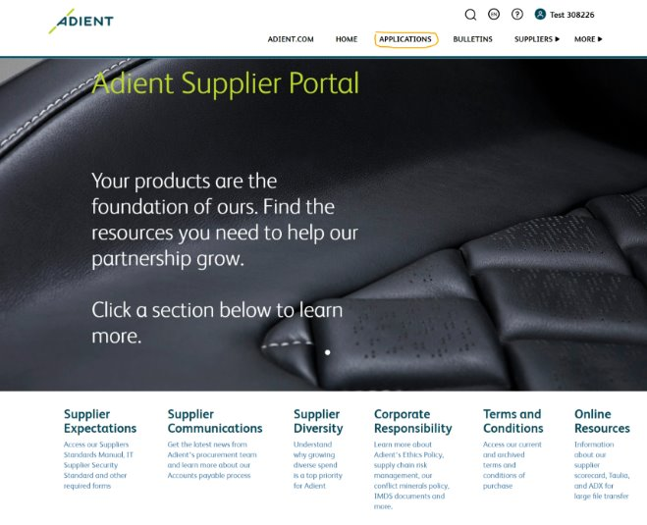
Click on "Applications"

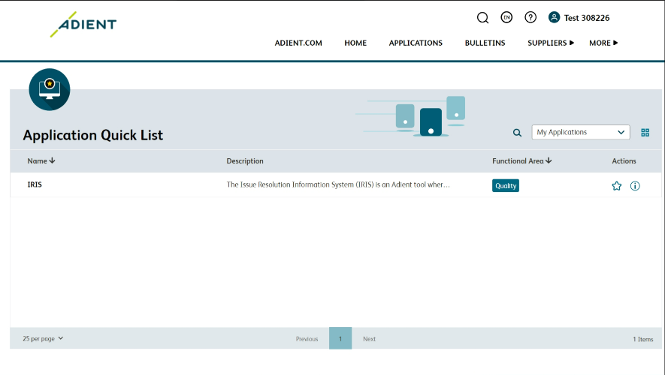

Click on "IRIS"
 |  | In case IRIS app is not visible on your application list,

 |  | Supplier administrator can assign the Service Package or Subpackage to a User (Admin action);
 |  | https://support.portal.covisint.com/web/portal/-/active-access-iam-manage-organization-assigning-a-service-package-or-subpackage-to-a-user
 |  | or
 |  | User can request the Service Package or Subpackage (User action);
 |  | https://support.portal.covisint.com/web/portal/-/active-access-iam-my-access-management-request-a-service-package-or-subpackage

